Sheet1
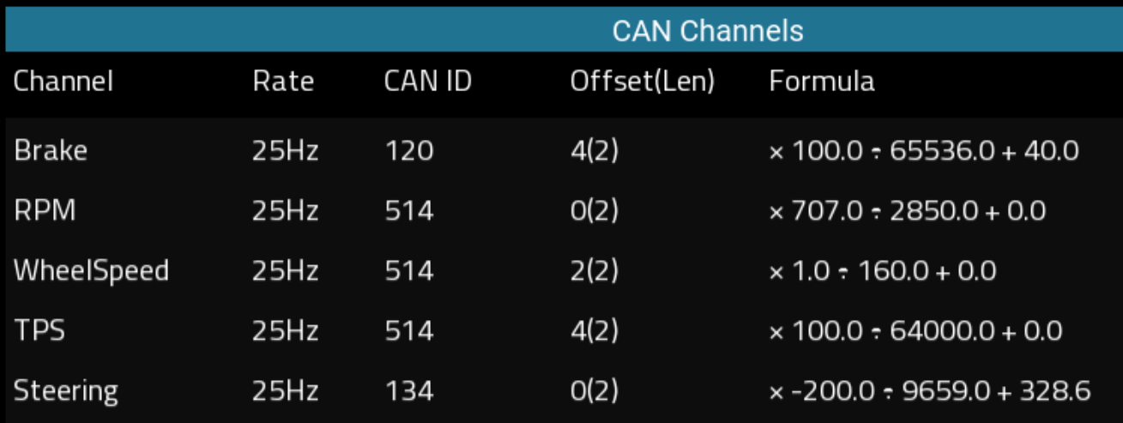
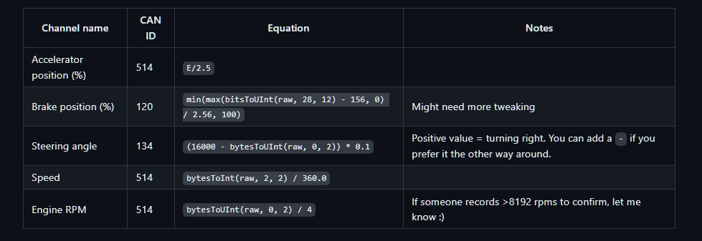
Notes: * All bytes are big-endian. |  |  | verified on 2019 ND2 AE

 |  |  | A | B | C | D | E | F | G | H
 | Offset |  | 0 | 1 | 2 | 3 | 4 | 5 | 6 | 7
BUS | CAN ID (HEX) | CAN ID (DEC) | Byte 1 | Byte 2 | Byte 3 | Byte 4 | Byte 5 | Byte 6 | Byte 7 | Byte 8
HS CAN | 202 | 514 | RPM Offset: Scaling: 0.25 |  | VehicleSpeed KPH Offset: 0 Scaling: 0.1 |  | Throttle % Offset: 0 Scaling: 0.4
HS CAN | 165 | 357 |  |  | Clutch_Neutral Neutral: 22 (dec) Clutch-in: 25 (dec) Clutch-out: 23 (dec) |  |  |  | CurrentGear Neutral/1st: 19 (dec) 2nd: 11(dec) 3rd: 7 (dec) 4th: 6 (dec) 5th: 5 (dec)
HS CAN | 240 | 576 | Steering Torque candidate offset: -32512, scaling: 1
HS CAN | 78 | 120 |  |  |  |  | BrakePressure Treat as signed integer Scaling: (100/65536)+40 ABS: negative values |  |  |  | 0.00152588
HS CAN | 215 | 533 | Wheel1_Speed Offset: 32512 Scaling: Ref Vehicle Speed |  | Wheel2_Speed Offset: 32512 Scaling: Ref Vehicle Speed |  | Wheel3_Speed Offset: 32512 Scaling: Ref Vehicle Speed |  | Wheel4_Speed Offset: 32512 Scaling: Ref Vehicle Speed
HS CAN | 86 | 134 | Steering scaling: -0.0228, offset: 365
HS CAN | 420 | 1056 | EngCoolantTemp offset: -40
HS CAN | 4FA | 1274 |  |  |  |  | IntakeAirTemp C offset: -40

CAN mapping for Auto Sport Labs RaceCapture
 |  |  | Download link for RaceCaptureSettings |  |  |  | https://github.com/timurrrr/RaceChronoDiyBleDevice/blob/master/can_db/mazda_mx5_nd.md

